Sheet1
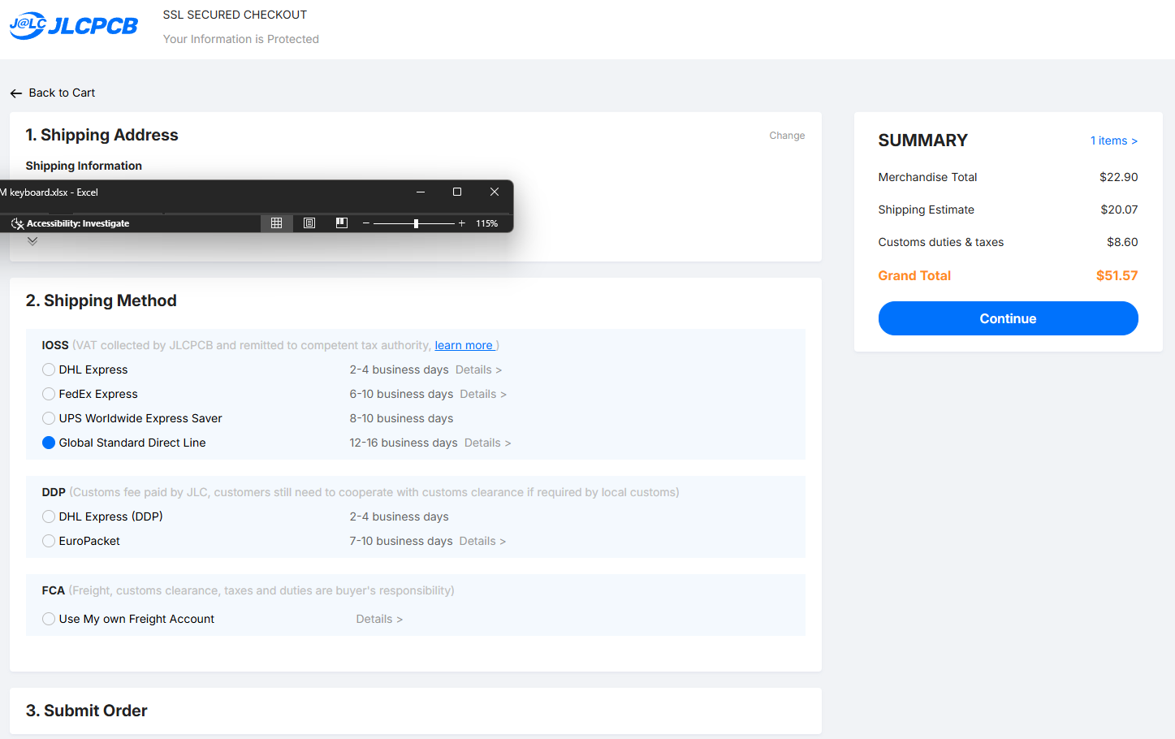
Product name | Product description | Product link | Product price | Product amount | Product total
Microcontroller (YD-RP 2040) | The microcontroller for the keyboard | Aliexpress | € 2.94 | 1 | € 2.94
Gateroon switches | These are the switches that you type on | Gateron | € 29.00 | 1 | € 31.94
Hotswap module | These modules allow for the easy change of the switches | Gateron | € 6.68 | 1 | € 38.62
Gateroon stabilizer | makes the bigger switches not wable | gateron | € 9.45 | 1 | € 48.07
decoupling capacitors ( 100nF ) | The capacitors are for lowering the electrical noise before the LEDs | Aliexpress | € 1.61 | 2 | € 51.29
5V level shifter (74AHCT125) | A 5V level shifter for the data line on the LEDs | Aliexpress | € 2.95 | 1 | € 54.24
LEDs (SK 6812 mini E) | The LEDs bellow the switches | Aliexpress | € 3.56 | 2 | € 61.36
keycaps | Keycaps | Aliexpress | € 15.78 | 1 | € 77.14
Rotary encoder ( EC11E ) | A knob for twisting | Aliexpress | € 2.78 | 1 | € 79.92
Diodes ( 1N4148W ) | Diodes, that stop form signal going back | Aliexpress | € 1.84 | 2 | € 83.60 | The parts form aliexpress will be bought by me
Oled screen ( 0.91 inch screen 128x32) | A mini screen for displaying information | Aliexpress | € 2.35 | 1 | € 85.95
Tantalum capacitor ( 470uF 6.3V D ) | A bulk capacitor | Aliexpress | € 3.94 | 1 | € 89.89
Resistors ( Pack of many ) | Resistors ( 4.7 kΩ and 350Ω) | Aliexpress | € 4.10 | 1 | € 93.99
PCB | PCB | JLCPCB | € 45.00 | 1 | € 138.99
Foam | Used for making the keyboard sound betetr, its placed bellow the PCB | Aliexpress | € 7.77 | 1 | € 146.76

